Sheet1
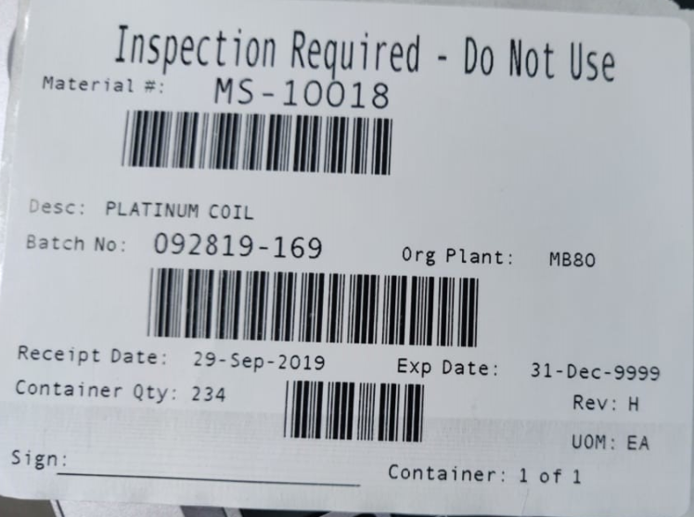
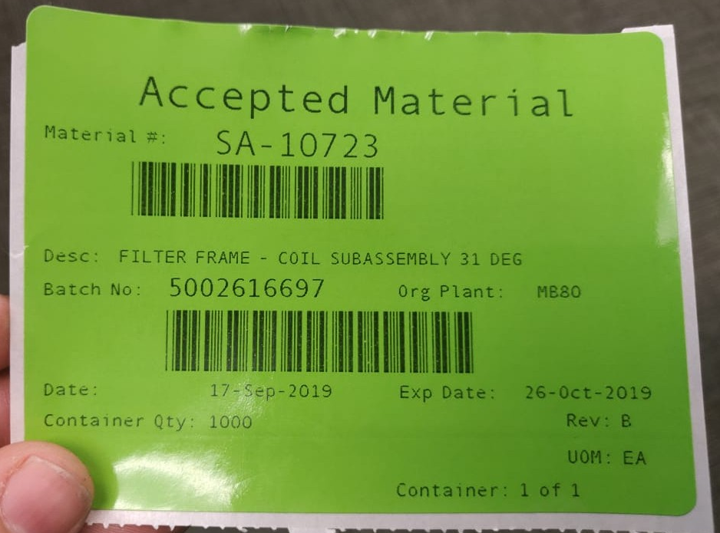
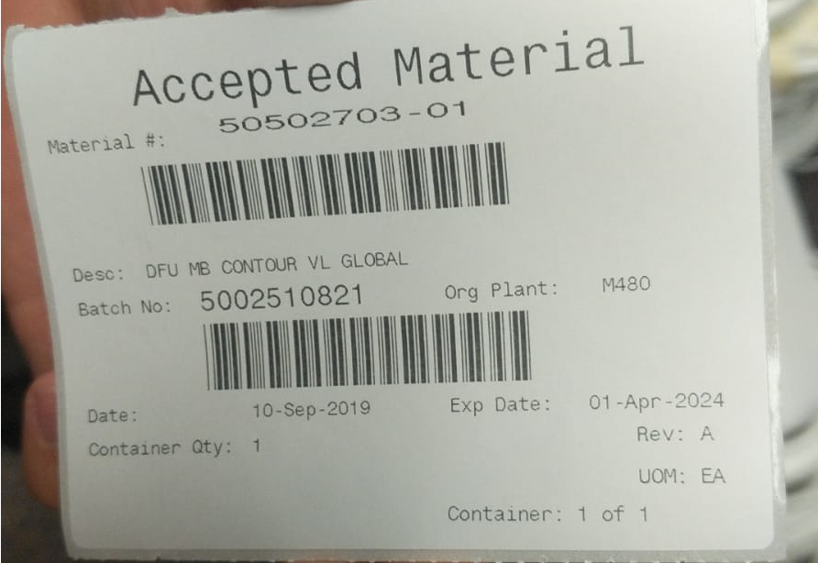
Area | Topic to Assess | Details / Gaps | Comments | Decision (D.D. Aug 2021) |  | Supporting material
Receiving | Documents presented by vendor | Define what to input in SAP: Vendor Batch, Tracking # etc. Compare with Priority Process | Based on Montserrat's videos is pretty much similar to SAP |  |  | Receiving Label printout |  |  | Incoming Inspection Released material label
 | Local SOP + SAP Warehouse Receiving_92421438 | Determine if changes needed to local SAP Review Receiving SAP SOP and define if changes needed Assess BSC Global Receiving WI 92636606
 | SAP Traveler Printout | Determine if SAP Traveler is required / helpful
 | Inspection Required Labeling | Define label color (standard is white) Confirm size of SAP label vs Priority label vs the smallest material packaging to apply on. (SAP labels: 7.5 cm width, 11.5 or 10.5 cm long) |  |  | 7.5cm
 | Initiate Cutover Priorities Strategy | Receiving starts slower during Go Live Integration team to shadow the process of first receives | Determine if there is going to be a need for receiving priorities of low stock materials during Go Live
 |  |  |  |  |  |  | 11.5cm or 10.5cm
Incoming Inspection (TBD with Aoife) | Inspection batch data input in SAP | TBD With Aoife
 | Inspection batch data input offfline | TBD With Aoife
 | Inspection batch release | TBD With Aoife |  |  |  | Receiving Traveler SAP Printout |  | Stockroom Picklist (over printed digits should be barcodes)
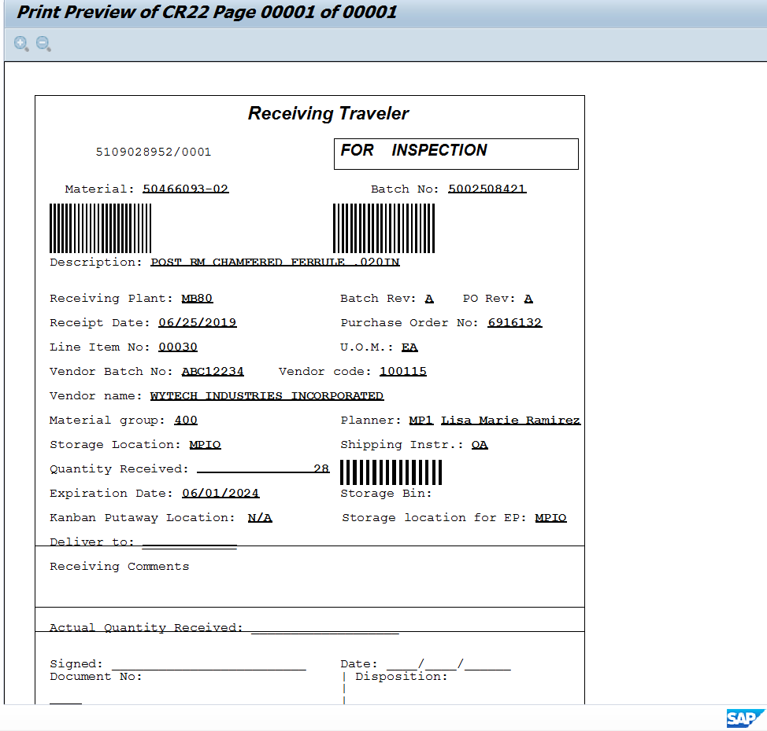
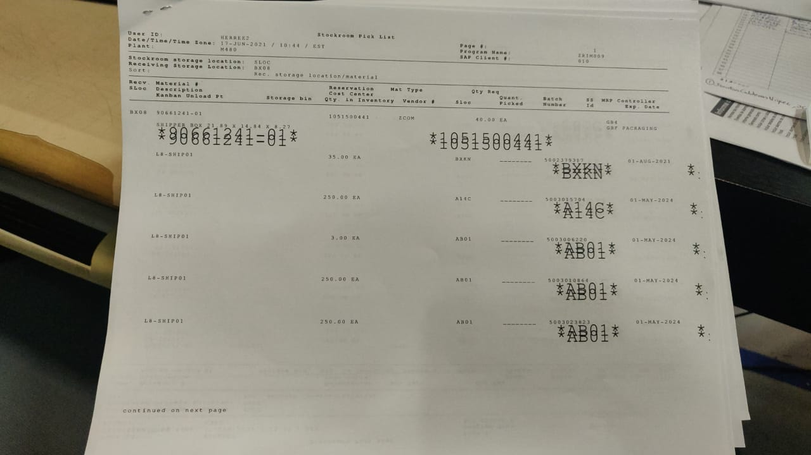
 | Released Material SAP Labeling | Define label color (standard is white, but some sites use green) Determine the use of QC green dot label

Warehousing | Inventory staging at QI | Detail the process and requirements after material receipt | Confirm if process is just physical movement and no system involvment needed
 | Inventory storage at WH ("Allocation process in Yokneam") | Assess Inventory posting process (MB1B movement 311) with the local process of transfering materials from one location to another (After material Quality Inspection) | Inventory posting process should be similar between Priority and SAP
 | Storage Location Modeling | List all Storage Locations in Priority (Warehouse + Bins) Create a 4 digit code for SAP Storage location matching above
 | Physical Areas Identification | All Areas where materials are kept in stock should have a visible identification (WH, Kitting, Production areas, Shipping, etc) Create a label for each SAP Storage Location: Code and Description (barcode is optional) and identify all areas *Note: areas identification are done with offline labels/rotulation not SAP
 | Non Inventory Materials Storage | Identify if there are areas where the site storages materials not controlled within the System. Materials will not be created in SAP but it is a good practice to identify these areas
 | Non BOM items requisitions (Inventory Controlled) | Determine if there is a process to retreive from inventory non BOM (non batch managed) materials (e.g. tweezers, gloves). Define the process for issuing materials to a cost center (Movements 201 / 202 in SAP) Confirm and communicate cost center with finance
 | Local SOP + SAP Inventory Handling and Reporting_92421442 | Identify Local Warehousing SOP Determine if changes needed to local SOP + SAP SOP |  |  |  | Sterile load/Shipment number printout |  |  |  | Packing List example | Shipping label example | eRelease system
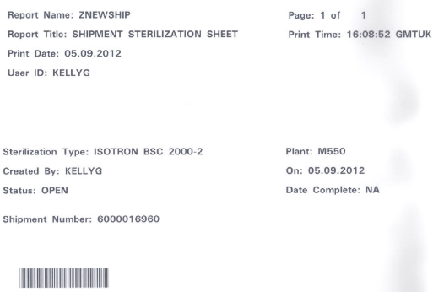
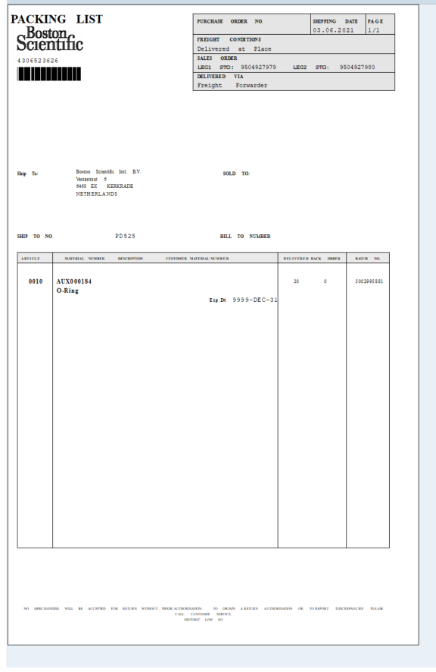
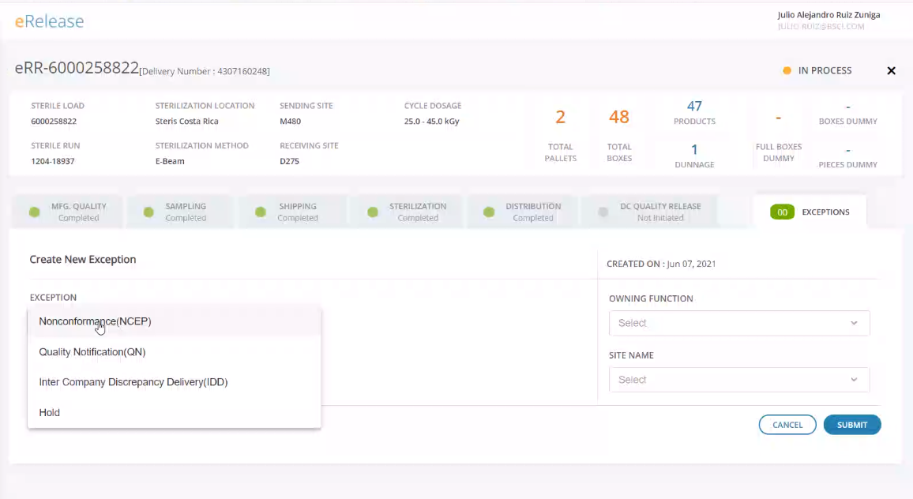
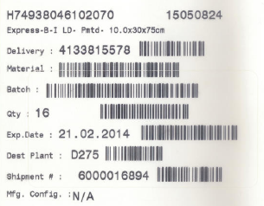
Kitting SAP | Use of MF65, Use of PickList ZL14 or both | For reservation fullfilment. Determine if site prefers the use of MF65, printout of Picklist or both
 | Use of ZPOD | For reservation fullfilment. SAP TCode ZPOD could work for a kitting environment. Show and define with local team
 | Picking of materials at WH | Assess the picking process and evaluate with SAP posting Tcodes. Pick and then post / mobile station with laptop and post at picking point. Etc.
 | Use of Tcode ZMB51 | Movement history Tcode ZMB51 can be used as confirmation document of materials sent to production. With kitting MH and receiving Production Specialist signing it (if required)
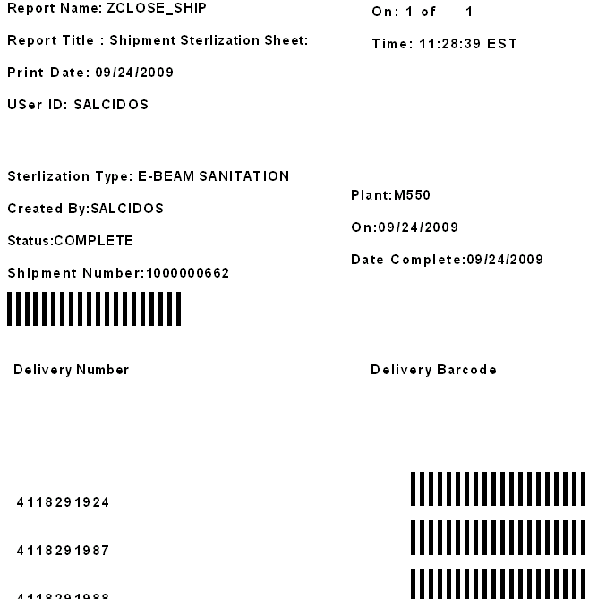
 | Additional repoting needs | If required, assess any other reports (e.g. inventory) that could support local process --> map for training and SOP updates
 | Local SOP + SAP Material Transfer WH to Production_92421439 | Identify Local Kitting SOP Determine if changes needed to local SOP + SAP SOP
 | Initiate Cutover Strategy | List UPNs for first Kitting process with MES+SAP Discuss bleed down area option

Manufacturing SAP | Need for SWRs (Engeneering builds) | Determine When to implement ZRD3, ZRD1 Need of cost center Need of project number Need for SAP QN for site ZRD3s --> Request to Carrie Haagensen | If there is a need for production to run Engineering builds during first weeks after Go Live. Need to plan to implement and train for ZRD3 management
 | Determine any reporting needs + SAP Production Reporting_92421441 | Determine (besides MES reporting) any reporting needs from SAP. Compare to SAP SOP and define the deployment and training strategy if needed
 | Define Production orders creation/release process | Analyze the order release and start of production to determine if: 1. All orders created in SAP from a weekly production plan (planner) 2. Orders created from MES based on PN production plan
 | Initiate Cutover Strategy | Analyze the possibility of bleed down the lines Identify and plan for bottleneck operations (ATP Tester) Determine the strategy for Open Orders (WIP) in Priority after Go Live (if needed)

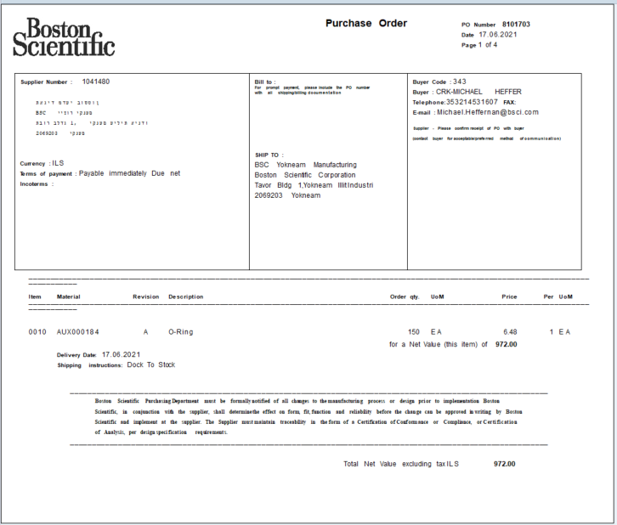

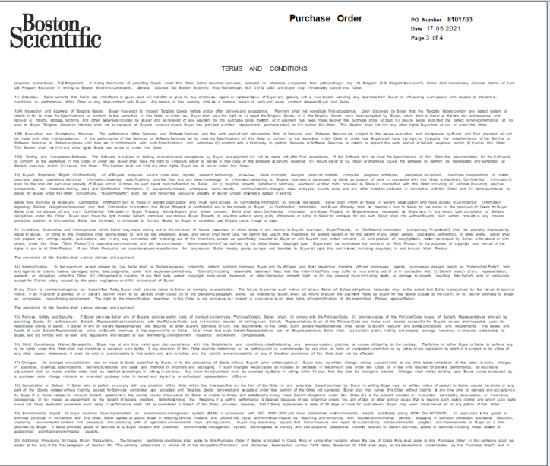

Shipping and Sterilization | Map Product Flow | Determine with MES the moment when inventory is going to be delivered into SAP Confirm all current controls are capable of being modeled in MES or SAP or maintain as offline quality records |  |  |  | Purchase order (Hebrew vendor) printout example
 | Local SOP + SAP Shipping_92421440 | Identify Local Shipping SOP Determine if changes needed to local SOP + SAP SOP
 | Batch Config Changes (China units) | Confirm at which state of the process currently is Batch Config Changed Determine who/when is going to be executed with SAP implemented: most probable upon inventory receipt at MG10
 | Sterilization Box Labels | Define the current use of local labels attached for Sterilizer. Where are they printed from Determine to continue or not the use and how to model in MES or SAP
 | Documents and Communication with Sterilizer | Map all communication with Sterilizer and determine which data is taken from current system (e.g. Sterile load number)
 | Implementation of SAP Sterile Load/Shipping Number (Tcode ZNEWSHIP) | SL/Shipment number is generated in SAP for shipping through the system. Prior to Active release this number can be adapted for trackign sterilization along/replace current trackign or sterile run numbers Evaluate with local SMEs Determine use (if needed) of Shipment Sterilization Sheet. (Znewship and Zcloseship printouts)
 | SAP Shipping Labels vs. Current Purchase Order (To DC) label | Determine the replacement of current shipping label to BSC DC with the shipping labels from SAP. Communicate change to stakeholders: All involved in the shipment of the shipper boxes | Shipping labels identify each shipper box. Will replace the current labeling with the PO number to DC.
 | SAP Printout Packing List | Identify where in the process is the printout going to happen. Explain to local SMEs Determine the quality record control requirement (if needed) | Packing list is a document required by the DC to be shipped with the load in order to receive it
 | SAP Printout Picklist (optional) | Assess if picklist would be required by local site documentation records | Picklist is a printout similar to packing list but it is not required for load shipment.
 | eRelease process definition (Work with Abhishek team) | Main contact: Abhishek Patel Define local owners of the eRelease process (Quality Release) Explain application to local SMEs Determine Language needs of local process owners. Note that eRelease is only in English Determine the implementation strategy with Abhishek Patel | Prior to Active Release, eRelease is an application to state that the site is approving the sterilization process which the shipment went through. This will trigger the load release at the Distribution Centers
 | Shipping Storage Location (E.g. GDLV) | Determine and identify final shipment SAP Storage location | Shipment SLOC in SAP is unique and used to start the virtual shipment process
 | Initiate Cutover Strategy | Determine if possible no orders at Sterilizer Inventory divided into FG already sterilzed or if process starts from 0 FG inventory Communicate with Sterilizer all changes analyzed in above topics

Purchasing | Material Master Spreadsheet | Define sources of info to be completed considering: Base unit of measure vs Purchase order UOM All MRP views attribute (noted in Spreadsheet columns) Determine Strategy to complete and expected DD | UOM / Base Unit of measure is critical to control BOM components consumption (should be minimum possible, e.g. ml vs bottle)
 | PO conversion --> Long lead times, blanket orders, Conflicting Vendors | Determine the path to execute PO Conversion
 | Cutover Strategy --> Inventory levels, receipts, PO priorities | Determine Cutover Strategy for inventory at WH, priority receipts, open Purchase Orders etc. Determine Strategy to Count Subcontracted inventory at Supplier's warehouse
 | Overview of Open POs --> Clean current system: Open quantities (partial receipts) | As per defined with Liel
 | Identify if are parts still being manufactured on site | E.g. mandrels machined at site
 | Roles and Respnosibilities for Direct and Indirect Purchases | Define with local management and commit for ownership of indirect purchases (including negotiation with vendor and Budget management). Note: some purchases may be ease by implementing Pcards for managers
 | Transition Liel's Spreadsheet to SAP reports | Create offline report for transition ease. Validate offline report with Liel
 | All current local vendor information is sent for Integration AVL Completion | Align task with GBS team
 | Retain Priority Data History records | Confirm with SAP IT if feasible to storage historical Priority data for purchasing
 | Price and quotes update to input into SAP
 | Local SOP + Purchasing CUR and Global SOPs | Identify Local Purchasing SOP Determine if changes needed to local SOP + Global SAP SOP | Purchasing is the area with more global SOPs and golden documents and CURs available to review and assign as necessary
 | SubContract Process Assessment | Confirm which parts undergo more than 1 vendor Subcontract Determine which parts of the above return to the site before going to the next vendor Analyze the SAP subcon PO process vs Priority Subcon process (Subcontract vendor, Material Master SPK, Subcontracted part BOM setting, SubContract shipping movement 541 and subcontract receiving movement 543) | Trish and Manrique started this analysis already with Liel
 | Vendor PO aknowledgement | Confirm the process in which POs are sent to the vendor and the aknowledgement process. | Note: Priority could send automatic emails to vendor and SAP don’t

Planning | SI&OP w/ Rapid Response | Define with GSC and RR COE Plan is to start SI&OP prior to Go Live. With 100% support from COE to validate data accuracy | TBD: Fernando Corrales and Peter Bulk Rapid Response will be implemented as Load Only to enable S&IOP and demand/supply visibility with Global Supply Chain. Support from Rapid Response COE will be granted.
 | Requirements upload for MRP run | Map current MRP process Share SAP MRP process Determine the methodology to upload requirements into SAP (ZPLCRE): consider month dates Understand MRP type atribute for each part to be planned through MRP Communicate with SAP IS the MRP run set up for the site once in SAP PRD
 | Material Master Spreadsheet | Determine tasks needed to complete material master spreadsheet for make type parts MRP attributes
 | Detailed Production Scheduling Process | Determine current weekly production plan process (detail scheduling) Define if orders are going to be created by planners or triggered through MES (kanban, zpk1 orders) Define if orders are going to be converted from planned orders (if orders created mannualy by planner)
 | Local SOP + SAP Basic Production Planning_92421436 | Identify Local Planning SOP Determine if changes needed to local SOP + SAP SOP
 | Initiate Cutover Strategy | Align with Manufacturing on first production orders to build upon Go Live dates

Finance (TBD Finance Integration team) | Training
 | Work Centers
 | Cost Centers
 | Material Costing and Release (MMPP Status 00)
 | WIP Report ZRCC0048
 | Month End Closure | Confirmwith corp. Finance the contacts to support with Month End activities
 | Inventory upload (Poofin) | Confirm Inventory Accuracy to download from Priority into SAP Determine a Template Spreadsheet for translating Priority Storage Locations into SAP storage locations Discuss with SAP IT the Poofin Template Perform Poofin simulation prior to Go Live with SAP IS

Cycle Count | Local SOP + SAP Cycle Count SOP (TBD) | Identify local SAP and Cycle Count requirements (internal and for external entities) Align SAP SOP and local SOP based on above
 | Roles and Responsibilities | Define: Area which determines the count Area which executes the count Area which controls and audits documents
 | Counting Strategy: ABC Categorization Defined SLOCs through ZL12 | Understand local Cycle Count Strategy Based on above. Adapt SAP Tcodes to follow strategy as close as possible
 | SAP Printouts and Documentation storage for audit purposes (e.g. MI21)
 | Is WIP needed to be counted once MES implemented? (Use of weekly rerpot ZRCC0048) | Determine if there is a current local strategy to count WIP | In most BSC sites with MES implemented, the WIP Count undergoes different rules due to system kanban management

SAP Software / Hardware and SAP Stations | Label Printers (Intermec) | Confirm printers on site Map and communicate the plan for: installing hardware and test printouts with SAP IT
 | Document Printers (RICOH) | Confirm printers on site Map and communicate the plan for: installing hardware and test printouts with SAP IT
 | Confirm Barcode Printing works | Within printout testing, test barcodes |  |  |  | SAP application install
 | Label Stock | Plan for Go Live inventory on site Determine vendor for frequent purchases of this item | Go live inventory could be managed as non controlled (frontload inventory from other sister sites) and create PNs in SAP after stabilization
 | Ribbon | Plan for Go Live inventory on site Determine vendor for frequent purchases of this item
 | Scanners | Identify all areas which require scanning tasks Confirm scanners availability if not set up POs
 | Receiving Station | Confirm physical space available and facilities for: PC, scanner (if needed) and Intermec Printer Confirm a Document (Ricoh) printer is close to the station (if Receiving traveler is required)
 | Receiving Inspection Station | Confirm physical space available and facilities for: PC, scanner (if needed) and Intermec Printer
 | Inventory posting Station | Confirm if physical space or mobile stations. And access to printers close to station (Ricoh and Intermec)
 | Kitting Station | Confirm physical space available and facilities for: PC, scanner (if needed) and MES printer Confirm a Document (Ricoh) printer is close to the station (if ZMB51 or other SAP printing is required)
 | Shipping Station | Confirm physical space available and facilities for: PC, scanner (if needed) and Intermec Printer Confirm a Document (Ricoh) printer is close to the station (if Receiving traveler is required)
 | Install SAP in all users PCs/Laptops | Confirm PCs and/or Laptops are available on site Software Center app --> SAP --> SAP GUI
 | Storage Location Address | Define receiving and shipping (GDVL Sloc) SAP storage and contact SAP IT for address set up | Receiving and shipping storage locaitons in SAP required a unique set for the site address, which undergo testing in the following SAP environments DEV, BUS and then to PRD

